Task 1
 | Comparing year 1 and year 2 expenses of research & development in IT sector
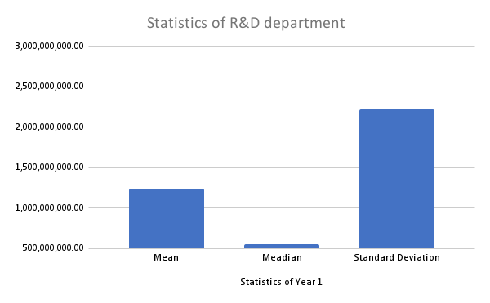
Statistics of R&D department (year 1)

1st year expenses | 2nd year expenses
$4,475,000,000 | $6,041,000,000 | Statistics of Year 1
$826,631,000 | $844,353,000 | Mean | 1,239,305,034.48
$513,035,000 | $559,686,000 | Meadian | 553,169,000.00
$0 | $0 | Standard Deviation | 2,221,113,617.93
$600,000,000 | $611,100,000 | Range | 10,611,000,000.00
$74,744,000 | $93,879,000 | Max. | 10,611,000,000.00
$1,320,000,000 | $1,428,000,000 | Count | 58.00
$0 | $0 | Mode | 0.00
$604,000,000 | $584,000,000 | Min. | 0.00
$1,049,000,000 | $2,674,000,000 | Sum | 71,879,692,000.00
$429,479,000 | $623,798,000
$5,942,000,000 | $6,294,000,000
$0 | $0
$0 | $0
$516,338,000 | $553,817,000
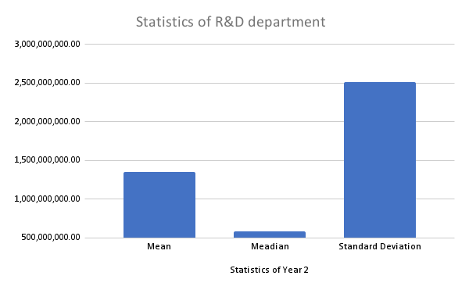
Statistics of R&D department (year 2)
$1,153,000,000 | $1,125,000,000
$915,000,000 | $983,000,000
$1,415,000,000 | $2,666,000,000 | Statistics of Year 2
$209,614,000 | $263,792,000 | Mean | 1,351,597,362.07
$0 | $0 | Meadian | 583,500,000.00
$0 | $0 | Standard Deviation | 2,512,799,081.47
$137,354,000 | $147,696,000 | Range | 11,537,000,000.00
$132,460,000 | $134,300,000 | Max. | 11,537,000,000.00
$710,000,000 | $815,000,000 | Count | 58.00
$0 | $0 | Mode | 0.00
$3,135,000,000 | $1,298,000,000 | Min. | 0.00
$0 | $0 | Sum | 78,392,647,000.00
$5,816,000,000 | $5,743,000,000
$10,611,000,000 | $11,537,000,000
$647,000,000 | $714,000,000
$1,101,600,000 | $1,043,200,000
$487,832,000 | $539,469,000
$235,184,000 | $250,434,000
$683,688,000 | $716,471,000
$0 | $0
$254,723,000 | $305,043,000
$10,411,000,000 | $11,381,000,000
$931,000,000 | $1,371,000,000
$378,769,000 | $472,321,000
$904,200,000 | $918,000,000
$1,147,282,000 | $1,336,000,000
$4,967,000,000 | $5,477,000,000
$197,269,000 | $257,494,000
$263,150,000 | $317,263,000
$1,133,000,000 | $1,226,000,000
$226,300,000 | $252,200,000
$1,026,000,000 | $722,000,000
$183,000,000 | $184,000,000
$590,000,000 | $583,000,000
$0 | $0
$1,877,000,000 | $1,522,000,000
$0 | $0
$61,694,000 | $70,297,000
$1,572,000,000 | $1,661,000,000
$0 | $0
$475,522,000 | $492,447,000
$655,000,000 | $603,000,000
$885,824,000 | $957,587,000

